Parameter_Input
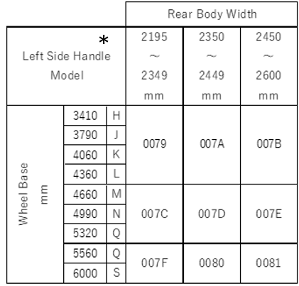
 | Please input vehicle information.
 |  |  |  | Automatic Calculation |  |  |  |  |  | Parts No. |  |  | No. | Parts Number |  | OPT | Range of rear body width | Qty | Remarks
 | VIN No. | Whole Base [mm] | Body Width [mm] | SRRFL | SRRFR | SRRFC | SRRSIDEP | SRRSIDES | No. | Braket | Harness |  |  | Bracket | Harness
sample |  | J | 2556 | 007B | 007B | 007B | 007B | 007B | ①-7 | 8978715591 | 7552271861 | H | ①-1 | 8978715561 | 7552271801 | EMD | 2,195~2,249 | 1 | Option
 |  |  |  |  |  |  |  |  |  |  |  | J | ①-2 | 8978757211 | 7552271811 | EME | 2,250~2,299 | 1 | Option
 |  |  |  |  |  |  |  |  |  |  |  | K | ①-3 | 8978715601 | 7552271821 | EMF | 2,300~2,349 | 1 | Option
 |  |  |  |  |  |  |  |  |  |  |  | L | ①-4 | 8978757221 | 7552271831 | EMG | 2,350~2,384 | 1 | Option
 |  |  |  |  |  |  |  |  |  |  |  | M | ①-5 | 8978715581 | 7552271841 | EMH | 2,385~2,449 | 1 | Option
 |  |  |  |  |  |  |  |  |  |  |  | N | ①-6 | 8978757241 | 7552271851 | EMJ | 2,450~2,499 | 1 | Option
 |  |  |  |  |  |  |  |  |  |  |  | Q | ①-7 | 8978715591 | 7552271861 | EMK | 2,500~2,600 | 1 | Standard for Portugal
 |  |  |  |  |  |  |  |  |  |  |  |  | ①-8 | 8978757231 | 7552271871 | ERZ | 2,550~2,600 | 1 | Option

Parameter
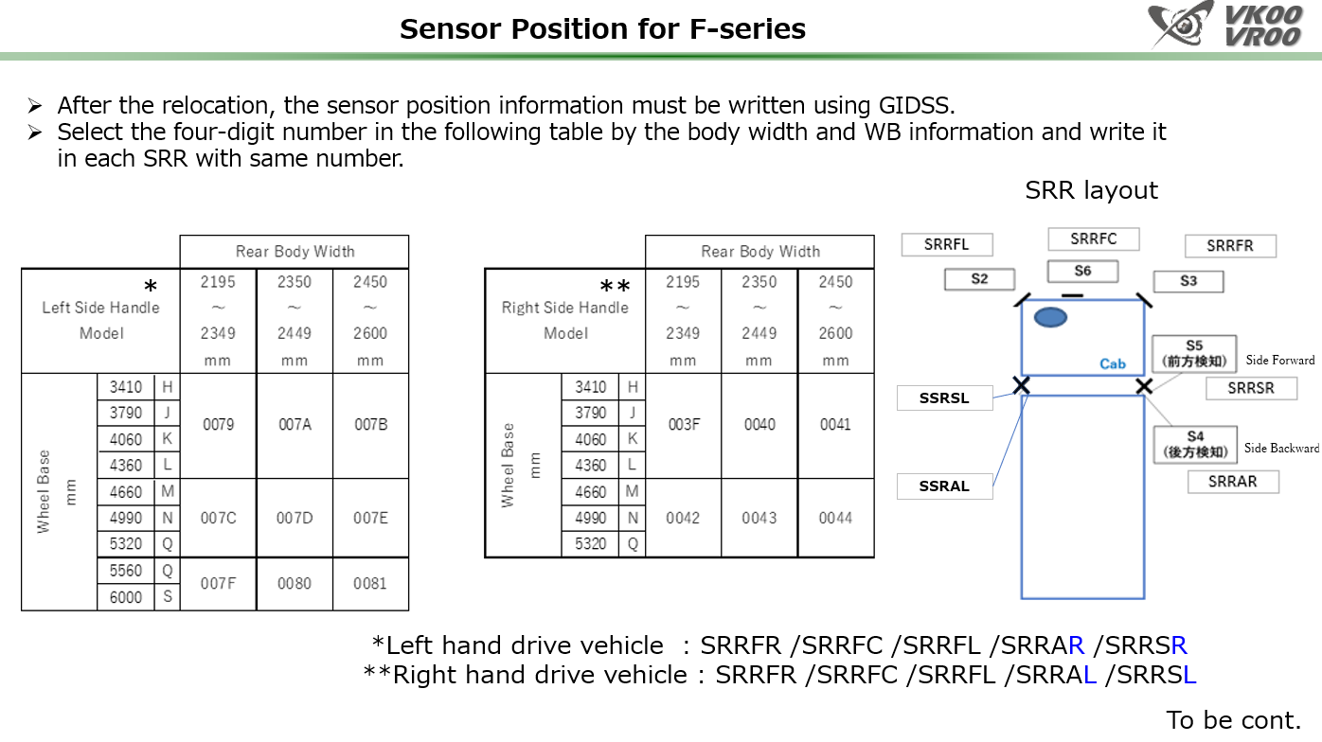

Standard Parameter:
007B or 007E or 0081 depending on WB

Position and Bracket
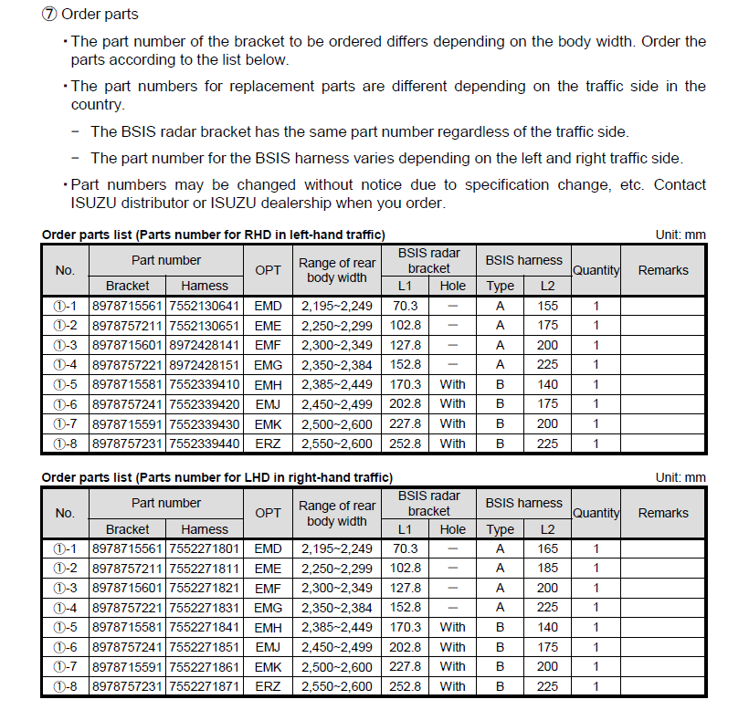

RHD

Parts Numbers of Brakcet and Harness are different by range of rear body width.
The standard Parts Numbers in ①-7 EMK.
Bracket: 8978715591
Harness: 7552271861
These Parts Numbers (①-7) are installed to chassis.
If the brakcet other than standared one is needed, please purchase brakcet in spare parts route.

